Drivers of Churn And Profiling
EXL Excellence Quotient 2017
Telecom Case: Attrition Management Framework - Stage 2

Imagine a situation wherein the Marketing Analytics Director of the ABC Corp requires you to make a Dashboard, Wordcloud or some sort of Bivariate profiling to highlight the following points or any such finding. Broadly they must be focussed on areas such as: Caution: Use logical constructs for making dashboards. You can attach additional sheets for your dashboards. 1. The Major Drivers of Churn and the profile of churners in terms of demographic information 2. What kind of Schemes show churn rate more than the average churn across the entire population base 3. For what bracket of 'Average Data Use Pattern' was the churn rate highest and what kind of customers(profiles) move into deafults and thereafter churn. 4. Use additional interactions as per your finding to present them into the dashboard. 5. Any other capability that you want to add to the dashboard.

TEAM YIN YANG - TELECOM CASE ATTRITION MANAGEMENT FRAMEWORK

CHURN DRIVERS & PROFILING
AVERAGE USAGE
ADDITIONAL INTERACTIONS
CALL CEN. ANALYSIS
SCHEMES & ADU2
MODELLING

CLICK ON ABOVE BUTTONS TO NAVIGATE BETWEEN TABS(HYPERLINKED)
Churn Percentage Vs Gender Category
 | Churn Rate
Male | 4.53
Female | 5.122
Other | 6.798
Variation of Churn with Regions
 | Churn Rate | Population Churn Percentage(Modelling Data)
Northern | 5.215 | 5.077
Eastern | 5.361 | 5.077
Southern | 5.7268 | 5.077
Western | 3.479 | 5.077
Variation Of Churn Rate with Salary Slab
 | Churn Rate | Population Churn Percentage
 | 5.855 | 5.077
 | 7.239 | 5.077
 | 4.698 | 5.077
 | 6.263 | 5.077
 | 4.163 | 5.077
 | 4.029 | 5.077
 | 3.968 | 5.077
 | 4.326 | 5.077
 | 2.976 | 5.077
 | 0 | 5.077
 | 0 | 5.077
 | 0 | 5.077
 | 3.225 | 5.077

Variation of Churn with Profession
 | Churn Rate | Population Churn Percentage(Modelling Data)
Prof.0 | 5.74 | 5.077
Prof.2 | 0 | 5.077
Prof.5 | 3.448 | 5.077
Prof.6 | 2.127 | 5.077
Prof.7 | 0 | 5.077
Prof.8 | 4.929 | 5.077
Prof.9 | 1.973 | 5.077
Prof.10 | 3.571 | 5.077
Prof.11 | 0 | 5.077
Prof.12 | 9.375 | 5.077
Prof.13 | 6.091 | 5.077
Prof.14 | 3.767 | 5.077
Prof.15 | 0 | 5.077
Prof.16 | 0 | 5.077
Prof.17 | 12.5 | 5.077
Prof.18 | 0 | 5.077
Prof.19 | 9.09 | 5.077
Prof.20 | 1.673 | 5.077
Trend for Variation of Churn with Age of Home
 | Churn Rate | Population Churn Percentage(Modelling Data)
AH 1 | 5.437 | 5.077
AH 2 | 5.076 | 5.077
AH 4 | 7.378 | 5.077
AH 7 | 7.148 | 5.077
AH 12 | 6.321 | 5.077
AH 17 | 4.459 | 5.077
AH 21 | 4.218 | 5.077
AH22 | 2.639 | 5.077
Variation of Churn with Status
Close | 36.314363144
Open | 3.876211316

Average Data Use
EXL Excellence Quotient 2017
Telecom Case: Attrition Management Framework - Stage 2

Imagine a situation wherein the Marketing Analytics Director of the ABC Corp requires you to make a Dashboard, Wordcloud or some sort of Bivariate profiling to highlight the following points or any such finding. Broadly they must be focussed on areas such as: Caution: Use logical constructs for making dashboards. You can attach additional sheets for your dashboards. 1. The Major Drivers of Churn and the profile of churners in terms of demographic information 2. What kind of Schemes show churn rate more than the average churn across the entire population base 3. For what bracket of 'Average Data Use Pattern' was the churn rate highest and what kind of customers(profiles) move into deafults and thereafter churn. 4. Use additional interactions as per your finding to present them into the dashboard. 5. Any other capability that you want to add to the dashboard.

TEAM YIN YANG - TELECOM CASE ATTRITION MANAGEMENT FRAMEWORK
DASHBOARD

DRIVERS OF CHURN & PROFILING
SCHEMES &ADU2 ADU2
AVERAGE USAGE
ADDITIONAL INTERACTIONS
CALL CENTRE ANALYSIS
MODELLING

CHURN1: (1st to 3rd Quartile) - 328.29 to 705.345
CHURN0: (1st to 3rd Quartile) - 621.28 to 736.40
# SIGNIFICANT DIFFERENCE IN STARTING RANGE IN QUARTILES AND FURTHER DISTRIBUTION FOR MARCH

CHURN1: (1st to 3rd Quartile) - 435.18 to 621.157
CHURN0: (1St to 3rd Quartile) - 516.43 to 647.39
# NOT MUCH SIGNIFICANT DIFFERENCE IN STARTING RANGE IN QUARTILES AND FURTHER DISTRIBUTION FOR FEBRUARY

CHURN1: (1st to 3rd Quartile) - 524.33 to 718.85
CHURN0:(1st to 3rd Quartile) - 611.11 to 726.68
# NOT MUCH SIGNIFICANT DIFFERENCE IN STARTING RANGE IN QUARTILES AND FURTHER DISTRIBUTION FOR JANUARY

Schemes & ADU2
EXL Excellence Quotient 2017
Telecom Case: Attrition Management Framework - Stage 2

Imagine a situation wherein the Marketing Analytics Director of the ABC Corp requires you to make a Dashboard, Wordcloud or some sort of Bivariate profiling to highlight the following points or any such finding. Broadly they must be focussed on areas such as: Caution: Use logical constructs for making dashboards. You can attach additional sheets for your dashboards. 1. The Major Drivers of Churn and the profile of churners in terms of demographic information 2. What kind of Schemes show churn rate more than the average churn across the entire population base 3. For what bracket of 'Average Data Use Pattern' was the churn rate highest and what kind of customers(profiles) move into deafults and thereafter churn. 4. Use additional interactions as per your finding to present them into the dashboard. 5. Any other capability that you want to add to the dashboard.

TEAM YIN YANG - TELECOM CASE ATTRITION MANAGEMENT FRAMEWORK
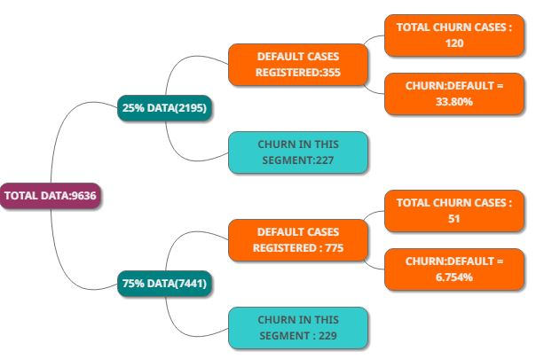 z

DRIVERS OF CHURN & PROFILING
AVERAGE USAGE
ADDITIONAL INTERACTIONS
CALL CEN. ANALYSIS
MODELLING
SCHEMES & ADU2

The bracket in which "Average Data Use" was highest was observed in to and zero too. Further breakdown analysis in overall range is in adjoining figure(Customers that move into default and finally Churn)

Scheme with Churn Rates in comparison to Population Churn Percentage
 | Churn Percentage within Individual Schemes | Total Churn Percentage(506/9966)
PWP | 1.99 | 5.077
PWM | 2.364 | 5.077
KLA | 3.9256 | 5.077
PWR | 4.385 | 5.077
POP | 4.5258 | 5.077
CHC | 4.922 | 5.077
CNN | 5.131 | 5.077
PPL | 5.399 | 5.077
PRM | 5.444 | 5.077
PRR | 5.656 | 5.077
PRP | 6.081 | 5.077
PMM | 6.67 | 5.077
MXX | 9.0301 | 5.077
ESS | 15.331 | 5.077

Schemes above the red line(average Churn across entire population base) show more Churn

Additional Interactions
EXL Excellence Quotient 2017
Telecom Case: Attrition Management Framework - Stage 2

Imagine a situation wherein the Marketing Analytics Director of the ABC Corp requires you to make a Dashboard, Wordcloud or some sort of Bivariate profiling to highlight the following points or any such finding. Broadly they must be focussed on areas such as: Caution: Use logical constructs for making dashboards. You can attach additional sheets for your dashboards. 1. The Major Drivers of Churn and the profile of churners in terms of demographic information 2. What kind of Schemes show churn rate more than the average churn across the entire population base 3. For what bracket of 'Average Data Use Pattern' was the churn rate highest and what kind of customers(profiles) move into deafults and thereafter churn. 4. Use additional interactions as per your finding to present them into the dashboard. 5. Any other capability that you want to add to the dashboard.

TEAM YIN YANG - TELECOM CASE ATTRITION MANAGEMENT FRAMEWORK
DASHBOARD

DRIVERS OF CHURN & PROFILING
AVERAGE USAGE
SCHEMES & ADU2
CALL CENTER ANALYSIS
ADDITIONAL INTERACTIONS
MODELLING

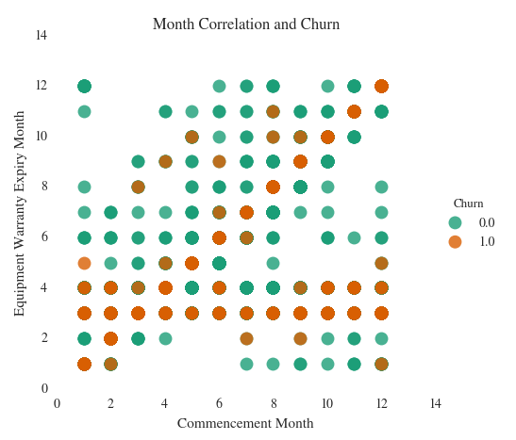
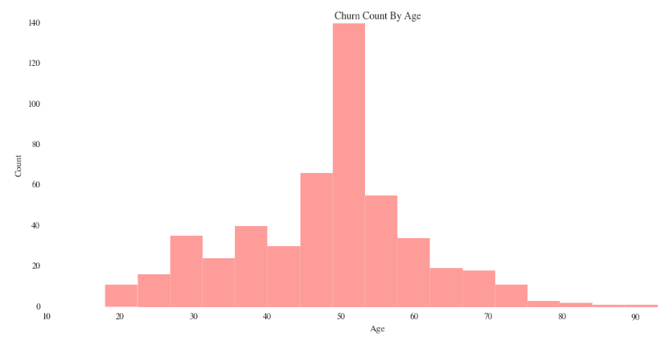
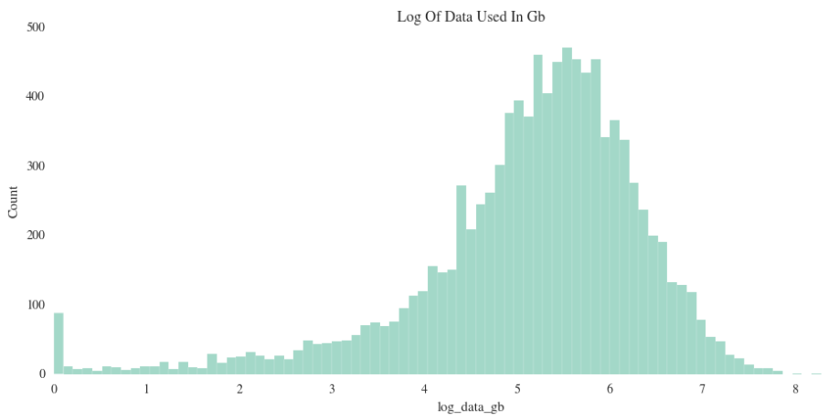

THIRD AND SAME MONTHS HAVE STRONG CORRELATION WITH CHURN
CONSUMERS IN MEDIUM AGE RANGE TEND TO SHOW MORE CHURN
DISTRIBUTION OF LOG DATA USED IN GB

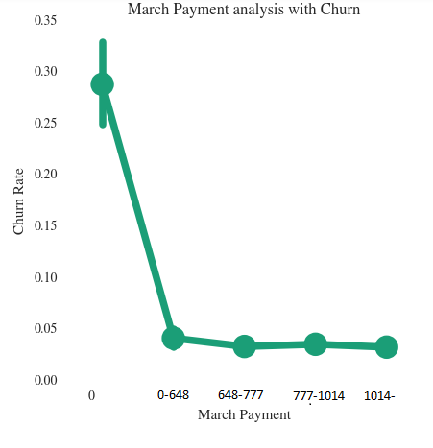
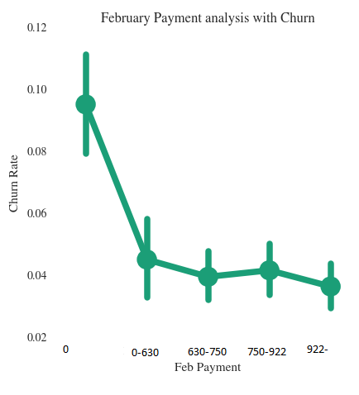
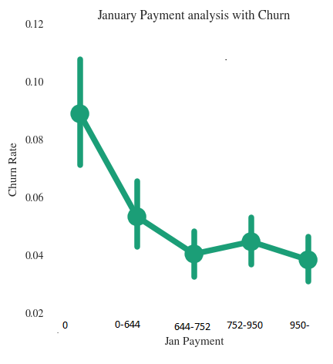

VARIATION OF CHURN RATE WITH MONTHS

Call Center Data Analysis
EXL Excellence Quotient 2017
Telecom Case: Attrition Management Framework - Stage 2

Imagine a situation wherein the Marketing Analytics Director of the ABC Corp requires you to make a Dashboard, Wordcloud or some sort of Bivariate profiling to highlight the following points or any such finding. Broadly they must be focussed on areas such as: Caution: Use logical constructs for making dashboards. You can attach additional sheets for your dashboards. 1. The Major Drivers of Churn and the profile of churners in terms of demographic information 2. What kind of Schemes show churn rate more than the average churn across the entire population base 3. For what bracket of 'Average Data Use Pattern' was the churn rate highest and what kind of customers(profiles) move into deafults and thereafter churn. 4. Use additional interactions as per your finding to present them into the dashboard. 5. Any other capability that you want to add to the dashboard.

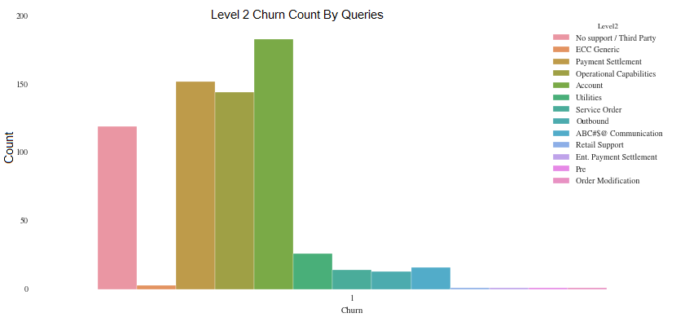 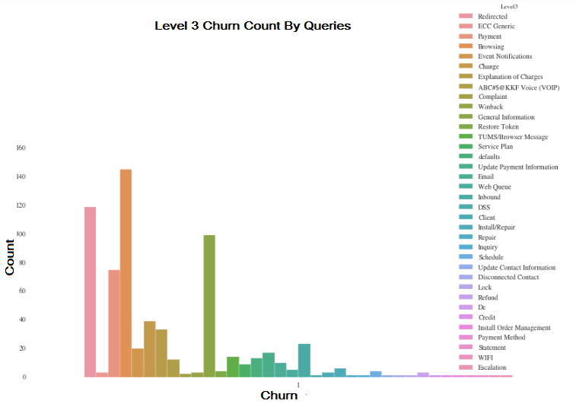
TEAM YIN YANG - TELECOM CASE ATTRITION MANAGEMENT FRAMEWORK

DRIVERS OF CHURN & PROFILING
MODELLING
AVERAGE USAGE
SCHEMES & ADU2
ADDITIONAL INTERACTIONS
CALL CEN ANALYSIS

CALL CENTRE DATA ANALYSIS WITH CHURN

Modelling Methodology
EXL Excellence Quotient 2017
Telecom Case: Attrition Management Framework - Stage 2

Imagine a situation wherein the Marketing Analytics Director of the ABC Corp requires you to make a Dashboard, Wordcloud or some sort of Bivariate profiling to highlight the following points or any such finding. Broadly they must be focussed on areas such as: Caution: Use logical constructs for making dashboards. You can attach additional sheets for your dashboards. 1. The Major Drivers of Churn and the profile of churners in terms of demographic information 2. What kind of Schemes show churn rate more than the average churn across the entire population base 3. For what bracket of 'Average Data Use Pattern' was the churn rate highest and what kind of customers(profiles) move into deafults and thereafter churn. 4. Use additional interactions as per your finding to present them into the dashboard. 5. Any other capability that you want to add to the dashboard.

TEAM YIN YANG - TELECOM CASE ATTRITION MANAGEMENT FRAMEWORK
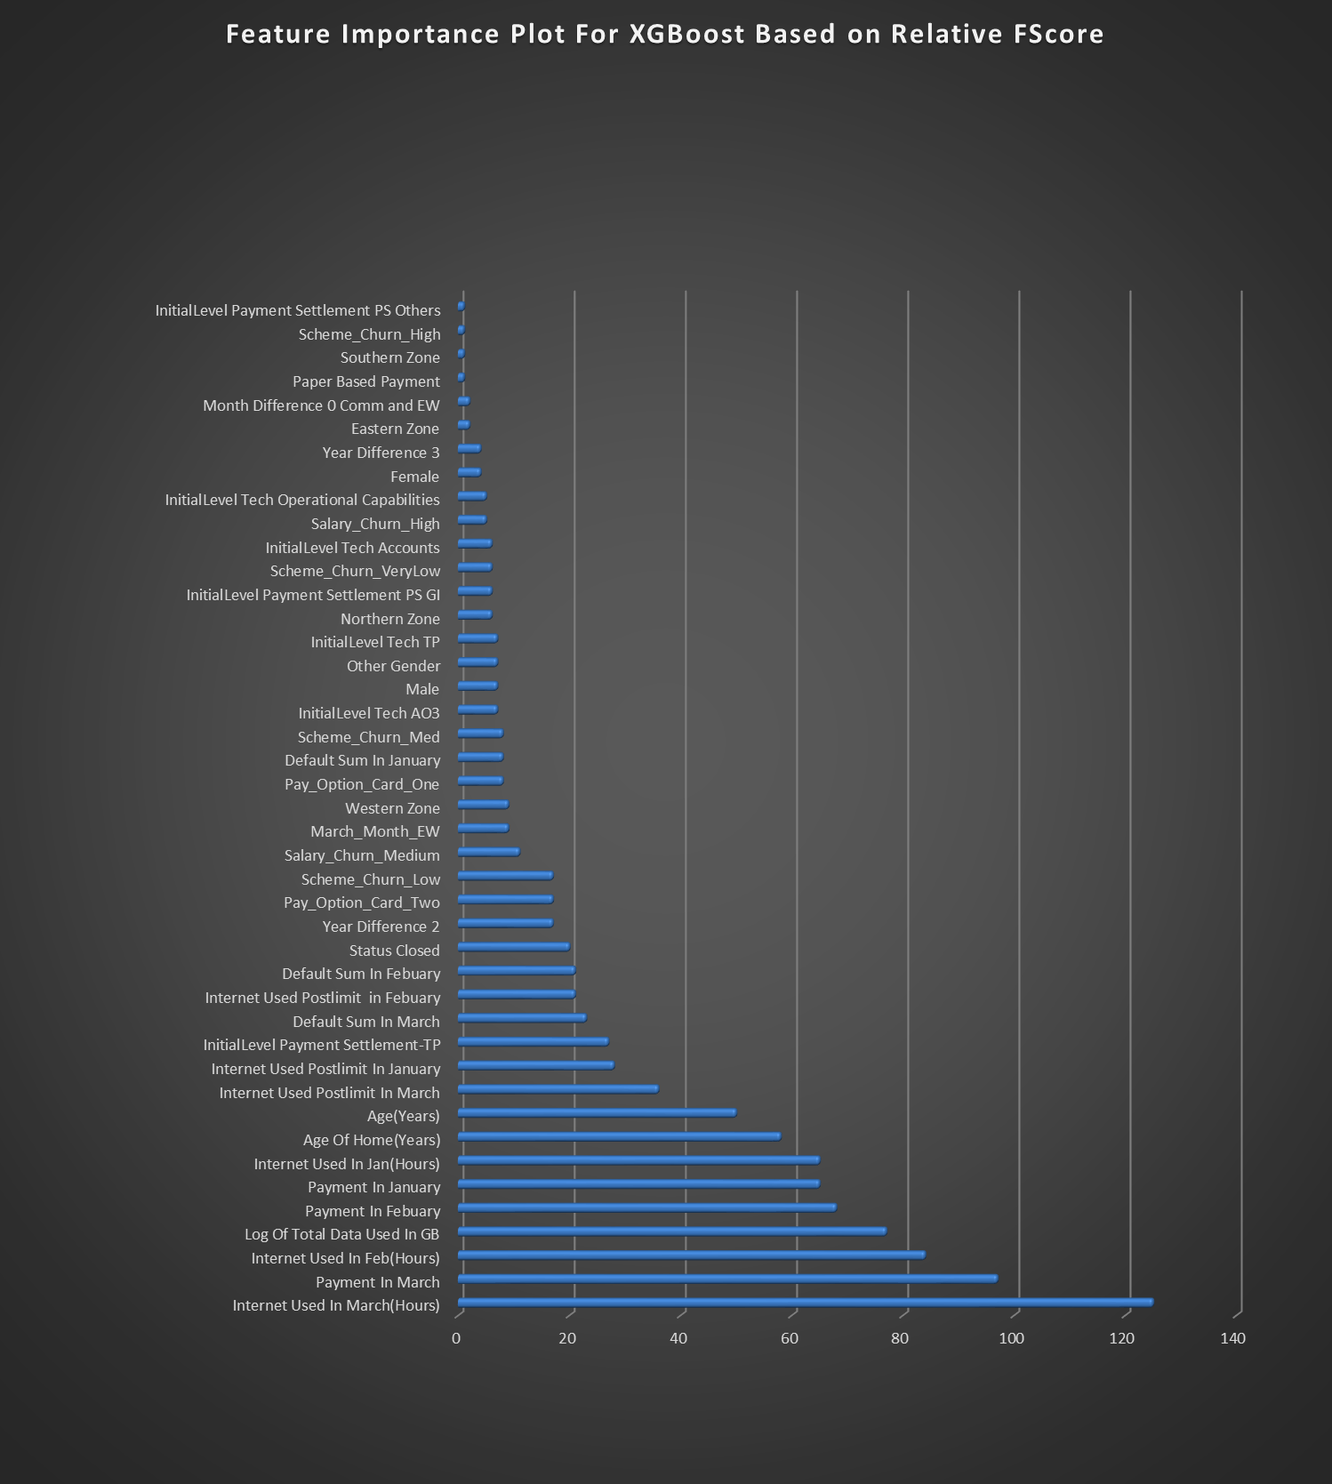 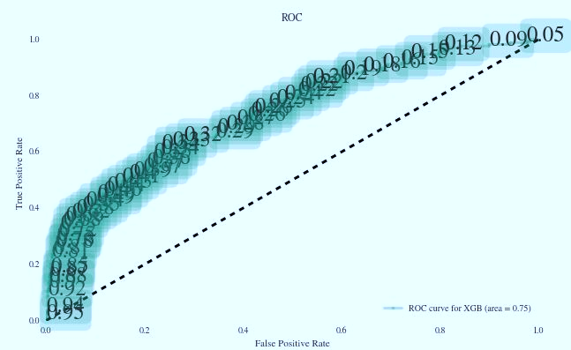

DRIVERS OF CHURN & PROFILING
SCHEMES & ADU2
MODELLING
AVERAGE USAGE
CALL CENTER ANALYSIS
ADDITIONAL INTERACTIONS

PROBABILITY CUTOFF : 0.69

FEATURE IMPORTANCE PLOT
ROC CURVE WITH CUTOFFS (CUTOFF VALUE NEAR ARROWHEAD SELECTED)

